Audit Information and Guidance
 | SA8000:2026 Audit Evaluation Tool |  |  |  |  | Version 1.2: July 2, 2026 |  | Social Accountability International © 2026

 | This form is provided by Social Accountability International for use by accredited conformity assessment bodies (CABs). CABs are solely responsible for the contents of this form.

CAB & Auditee Organization Detail |  |  |  |  |  |  | Audit/Activity Detail
CAB Name (Per SAI Database) |  |  |  |  |  |  | Audit/Form ID (Per SAI Database)
Organization Name (Per SAI Database) |  |  |  |  |  |  | Audit/Activity Type
Organization Number (Per SAI Database) |  |  |  |  |  |  | Date of Opening Meeting
 |  |  |  |  |  |  | Date of Closing Meeting

Audit Team Detail |  |  |  | (Per SAI Database Use when applicable)
 |  |  |  | First Name | Last Name | Role in Audit
Audit Team Leader
Audit Team Member 1
Audit Team Member 2
Audit Team Member 3
Audit Team Member 4
Audit Team Member 5
Audit Team Member 6

Audit & Audit Tool Completion
Auditee Scope Checked and verified by Audit Team Leader and Correct? (See Procedure 200 section 10)?
Assigned Auditee Org. Sector Code Correct? (See Procedure 200 section 10)?
Audit Tool completed as planned
If “no” to any of the above, explain required changes.

Use of This Audit Tool:
The SA8000:2026 Audit Tool assists the audit team in collecting the information needed (rating responses, audit trail evidence/notes, and deviations/omissions) for the determination of audit findings and audit conclusions prior to the end of the audit or assessment activity (SAI Procedure 200 section 22 refers). The tool's 'Summary Data Record' tab also characterizes the auditee's performance numerically for future reference. Use of this tool is mandatory for all types of SA8000:2026 certification-related audits and follow-up assessment activities, however, (based on certification program plans and individual audit plans) rating of entries for every section and criterion is required only for initial (stage 2) and recertification audits. Further guidance on the use of the audit tool is given below.

Auditors shall complete the Audit Tool in 'near real time' during each audit activity. The audit tool is neither an audit plan nor an audit checklist, but, when completed in conjunction with the audit plan, it ensures that all required elements of SA8000 are evaluated during the audit. See SAI Procedure 200 Section 12 for audit planning requirements and Section 22 for processing deviations/omissions into audit findings.

Use of the tool should be intuitive and guidance is provided throughout. If, after checking with colleagues, the use of the tool is unclear, or if errors are detected, please contact SAI at "sa8000@sa-intl.org"

The following flowchart illustrates the tool's Assessment Methodology, and (approximate) sequential use through the audit
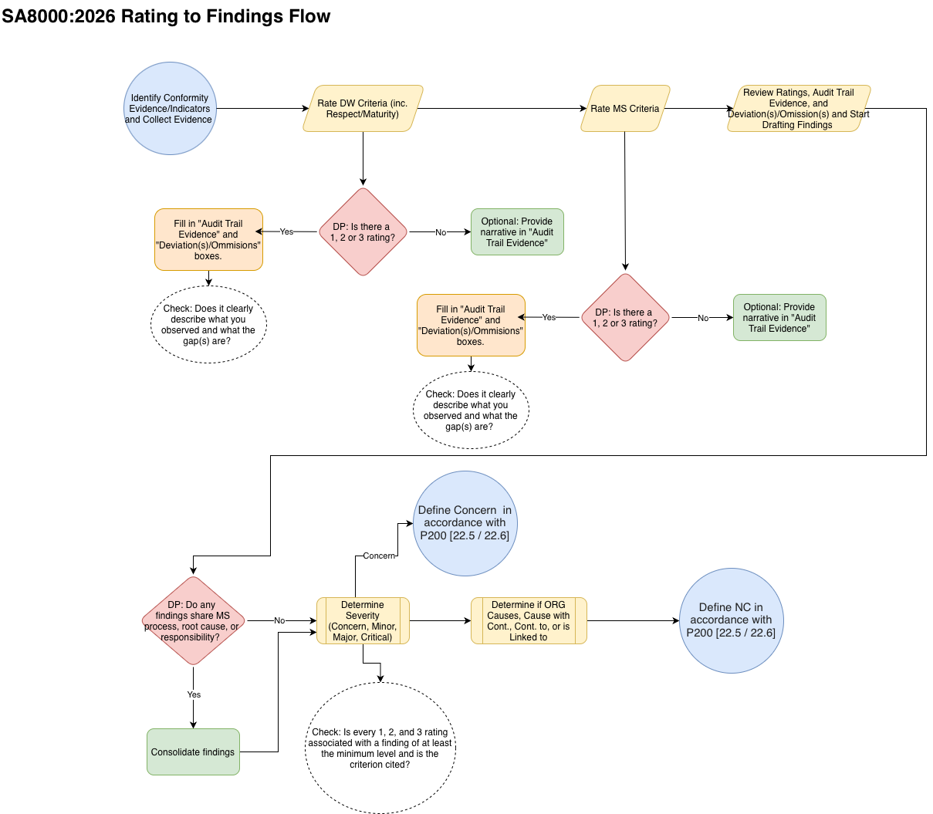

Required Actions Based on Ratings in Section 2 Decent Work Criteria (including first and last criteria in each clause) |  |  |  |  |  | Required Actions Based on Ratings in Section 1 Management System Criteria
Rating | Audit Trail Evidence | Deviation(s)/ Omission(s) Observed | Minimum Finding Criticality Required |  |  | Rating | Audit Trail Evidence | Deviation(s)/ Omission(s) Observed | Minimum Finding Criticality Required
5 | Required | N/A | None |  |  | 5 | Required | N/A | None
4 | Encouraged | Encouraged | None |  |  | 4 | Encouraged | Encouraged | None
3 | Required | Required | Concern |  |  | 3 | Required | Required | Concern
2 | Required | Required | Minor | <Note Minimum Finding Difference at Level 2!> |  | 2 | Required | Required | Concern
1 | Required | Required | Major |  |  | 1 | Required | Required | Major

Note 1: The above tables show the expectations for audit note-taking within the tool and the minimum finding 'criticality' level against which each deviation/omission must be cited. The audit team may (especially after consolidation) raise a finding at a higher level (SAI Procedure 200 Section 22.3 refers).

Note 2: The audit team must use the Rating Differentiator tables within each tab to determine the ratings assigned.

Audit Trail Evidence: The records, observations, and interview findings that let an auditor trace and verify an audit finding (positive, or negative) from source to result.

Deviation(s)/Omission(s) Observed: Description of conformity gap(s) identified against a criterion.

Summary Data Record
Results Summary Sheet Only - This tab cannot be edited
SUMMARY AUDIT DATA REPORT

Decent Work 'Performance' Results |  |  |  | At least one Audit Finding (Concern or NC, as appropriate) must make reference to each Decent Work criterion rating of '3' or less (P200 section 22 refers)

 |  |  |  |  |  |  |  |  |  |  |  |  |  |  |  |  | "#N/A" or "0" Indicates a data omission on the source tab. Check entries and 'included' fields
D1: Protection of Children and Young Workers |  |  |  |  |  |  |  | D2: Freedom of Association and the Right to Collective Bargaining |  |  |  |  |  |  |  |  | D3: Free and Fair Recruitment, Employment and Termination
Included (in whole or in part) |  |  |  |  |  |  |  | Included (in whole or in part) |  |  |  |  |  |  |  |  | Included (in whole or in part)
 |  | D1.2 | Included | #N/A | 0 |  |  |  |  | D2.2 | Included | #N/A | 0 |  |  |  |  |  | D3.2 | Included | #N/A | 0
 |  | D1.3 | Included | #N/A | 0 |  |  |  |  | D2.3 | Included | #N/A | 0 |  |  |  |  |  | D3.3 | Included | #N/A | 0
 |  | D1.4 | Included | #N/A | 0 |  |  |  |  | D2.4 | Included | #N/A | 0 |  |  |  |  |  | D3.4 | Included | #N/A | 0
 |  |  |  |  |  |  |  |  |  | D2.5 | Included | #N/A | 0 |  |  |  |  |  | D3.5 | Included | #N/A | 0
 |  |  |  |  |  |  |  |  |  | D2.6 | Included | #N/A | 0 |  |  |  |  |  | D3.6 | Included | #N/A | 0
 |  |  |  |  |  |  |  |  |  | D2.7 | Included | #N/A | 0 |  |  |  |  |  | D3.7 | Included | #N/A | 0
 |  |  |  |  |  |  |  |  |  | D2.8 | Included | #N/A | 0 |  |  |  |  |  | D3.8 | Included | #N/A | 0
 |  |  |  |  |  |  |  |  |  |  |  |  |  |  |  |  |  |  | D3.9 | Included | #N/A | 0
 |  |  |  |  |  |  |  |  |  |  |  |  |  |  |  |  |  |  | D3.10 | Included | #N/A | 0
 |  |  |  |  |  |  |  |  |  |  |  |  |  |  |  |  |  |  | D3.11 | Included | #N/A | 0
 |  |  |  |  |  |  |  |  |  |  |  |  |  |  |  |  |  |  | D3.12 | Included | #N/A | 0

 |  | Mean Rating (1-4) | #DIV/0! |  |  |  |  |  |  | Mean Rating (1-4) | #DIV/0! |  |  |  |  |  |  |  | Mean Rating (1-4) | #DIV/0!
 |  | Lowest Rating | N/A |  |  |  |  |  |  | Lowest Rating | N/A |  |  |  |  |  |  |  | Lowest Rating | N/A
 |  | Highest Rating | N/A |  |  |  |  |  |  | Highest Rating | N/A |  |  |  |  |  |  |  | Highest Rating | N/A
 |  | # "Not Performing" | 0 |  |  |  |  |  |  | # "Not Performing" | 0 |  |  |  |  |  |  |  | # "Not Performing" | 0
 |  | # "Minimally Performing" | 0 |  |  |  |  |  |  | # "Minimally Performing" | 0 |  |  |  |  |  |  |  | # "Minimally Performing" | 0
 |  | # of "Substantially Performing" | 0 |  |  | Clause Respect Rating |  |  |  | # of "Substantially Performing" | 0 |  |  |  | Clause Respect Rating |  |  |  | # of "Substantially Performing" | 0 |  |  | Clause Respect Rating
 |  | Clause Respect Adjustment | 0 |  |  | Incomplete |  |  |  | Clause Respect Adjustment | 0 |  |  |  | Incomplete |  |  |  | Clause Respect Adjustment | 0 |  |  | Incomplete
 |  | Clause Mgmt. System Maturity | 0 |  |  |  |  |  |  | Clause Mgmt. System Maturity | 0 |  |  |  |  |  |  |  | Clause Mgmt. System Maturity | 0

D4: Decent Hours, Wages, and Benefits |  |  |  |  |  |  |  | D5: Freedom from Discrimination |  |  |  |  |  |  |  |  | D6: Health and Safety
Included (in whole or in part) |  |  |  |  |  |  |  | Included (in whole or in part) |  |  |  |  |  |  |  |  | Included (in whole or in part)
 |  | D4.2 | Included | #N/A | 0 |  |  |  |  | D5.2 | Included | #N/A | 0 |  |  |  |  |  | D6.2 | Included | #N/A | 0
 |  | D4.3 | Included | #N/A | 0 |  |  |  |  | D5.3 | Included | #N/A | 0 |  |  |  |  |  | D6.3 | Included | #N/A | 0
 |  | D4.4 | Included | #N/A | 0 |  |  |  |  | D5.4 | Included | #N/A | 0 |  |  |  |  |  | D6.4 | Included | #N/A | 0
 |  | D4.5 | Included | #N/A | 0 |  |  |  |  | D5.5 | Included | #N/A | 0 |  |  |  |  |  | D6.5 | Included | #N/A | 0
 |  | D4.6 | Included | #N/A | 0 |  |  |  |  |  |  |  |  |  |  |  |  |  | D6.6 | Included | #N/A | 0
 |  | D4.7 | Included | #N/A | 0 |  |  |  |  |  |  |  |  |  |  |  |  |  | D6.7 | Included | #N/A | 0
 |  | D4.8 | Included | #N/A | 0 |  |  |  |  |  |  |  |  |  |  |  |  |  | D6.8 | Included | #N/A | 0
 |  | D4.9 | Included | #N/A | 0 |  |  |  |  |  |  |  |  |  |  |  |  |  | D6.9 | Included | #N/A | 0
 |  | D4.10 | Included | #N/A | 0 |  |  |  |  |  |  |  |  |  |  |  |  |  | D6.10 | Included | #N/A | 0
 |  | D4.11 | Included | #N/A | 0 |  |  |  |  |  |  |  |  |  |  |  |  |  | D6.11 | Included | #N/A | 0
 |  | D4.12 | Included | #N/A | 0 |  |  |  |  |  |  |  |  |  |  |  |  |  | D6.12 | Included | #N/A | 0
 |  | D4.13 | Included | #N/A | 0

 |  | Mean Rating (1-4) | #DIV/0! |  |  |  |  |  |  | Mean Rating (1-4) | #DIV/0! |  |  |  |  |  |  |  | Mean Rating (1-4) | #DIV/0!
 |  | Lowest Rating | N/A |  |  |  |  |  |  | Lowest Rating | N/A |  |  |  |  |  |  |  | Lowest Rating | N/A
 |  | Highest Rating | N/A |  |  |  |  |  |  | Highest Rating | N/A |  |  |  |  |  |  |  | Highest Rating | N/A
 |  | # "Not Performing" | 0 |  |  |  |  |  |  | # "Not Performing" | 0 |  |  |  |  |  |  |  | # "Not Performing" | 0
 |  | # "Minimally Performing" | 0 |  |  |  |  |  |  | # "Minimally Performing" | 0 |  |  |  |  |  |  |  | # "Minimally Performing" | 0
 |  | # of "Substantially Performing" | 0 |  |  | Clause Respect Rating |  |  |  | # of "Substantially Performing" | 0 |  |  |  | Clause Respect Rating |  |  |  | # of "Substantially Performing" | 0 |  |  | Clause Respect Rating
 |  | Clause Respect Adjustment | 0 |  |  | Incomplete |  |  |  | Clause Respect Adjustment | 0 |  |  |  | Incomplete |  |  |  | Clause Respect Adjustment | 0 |  |  | Incomplete
 |  | Clause Mgmt. System Maturity | 0 |  |  |  |  |  |  | Clause Mgmt. System Maturity | 0 |  |  |  |  |  |  |  | Clause Mgmt. System Maturity | 0

Decent Work 'Performance' Ratings Summary - At a Glance
D7: Privacy
Included (in whole or in part)
 |  | D7.2 | Included | #N/A | 0
 |  | D7.3 | Included | #N/A | 0
 |  | D7.4 | Included | #N/A | 0

 |  | Mean Rating (1-4) | #DIV/0!
 |  | Lowest Rating | N/A
 |  | Highest Rating | N/A
 |  | # "Not Performing" | 0
 |  | # "Minimally Performing" | 0
 |  | # of "Substantially Performing" | 0 |  |  | Clause Respect Rating
 |  | Clause Respect Adjustment | 0 |  |  | Incomplete
 |  | Clause Mgmt. System Maturity | 0

Demonstrable Decent Work Clause-by-Clause Performance Ratings Summary |  |  |  |  |  |  |  | Demonstrable Decent Work Clause-by-Clause Respect of Principles and Management Maturity Summary

 | # of "Not Performing" | # of "Minimally Performing" | # of "Subst'lly Performing" | Mean Rating Per Clause |  |  | Overarching | Mean Respect of Principles Rating per Clause |  |  | Mean Management Systems Maturity Rating per Clause
D1 | 0 | 0 | 0 | D1 | #DIV/0! |  | D1 | Incomplete |  |  | 0.0 |  |  | #N/A
D2 | 0 | 0 | 0 | D2 | #DIV/0! |  | D2 | Incomplete |  |  | 0.0 |  |  | #N/A
D3 | 0 | 0 | 0 | D3 | #DIV/0! |  | D3 | Incomplete |  |  | 0.0 |  |  | #N/A
D4 | 0 | 0 | 0 | D4 | #DIV/0! |  | D4 | Incomplete |  |  | 0.0 |  |  | #N/A
D5 | 0 | 0 | 0 | D5 | #DIV/0! |  | D5 | Incomplete |  |  | 0.0 |  |  | #N/A
D6 | 0 | 0 | 0 | D6 | #DIV/0! |  | D6 | Incomplete |  |  | 0.0 |  |  | #N/A
D7 | 0 | 0 | 0 | D7 | #DIV/0! |  | D7 | Incomplete |  |  | 0.0 |  |  | #N/A
Total | 0 | 0 | 0 | Mean | #DIV/0! |  | Mean | #DIV/0! |  |  | #DIV/0! |  |  | #DIV/0!

Decent Work Performance Summary
# of DW Clauses Reviewed (In whole or in part) |  |  |  | 0 |  |  | "#DIV/0!", "#N/A", or "0.0"may indicate a data omission on the source tab.

Management Systems Maturity Results |  |  |  |  | At least one Audit Finding (Concern or NC, as appropriate) must make reference to each Management Systems criterion rating of '3' or less (P200 section 22 refers)

M1: Leadership Commitment, Involvement and Integration |  |  |  |  |  |  |  | M2: Worker Involvement and Integration |  |  |  |  |  |  |  | M3: Stakeholder Involvement and Integration |  |  |  |  |  |  | M4: Policy Commitment and Coherence

M1.1 | Included (in whole or in part) |  |  | 0 |  |  |  | M2.1 | Included (in whole or in part) |  |  | 0 |  |  |  | M3.1 | Included (in whole or in part) |  |  | 0 |  |  | M4.1 | Included (in whole or in part) |  | 0
M1.2 | Included (in whole or in part) |  |  | 0 |  |  |  | M2.2 | Included (in whole or in part) |  |  | 0 |  |  |  | M3.2 | Included (in whole or in part) |  |  | 0 |  |  | M4.2 | Included (in whole or in part) |  | 0
M1.3 | Included (in whole or in part) |  |  | 0 |  |  |  | M2.3 | Included (in whole or in part) |  |  | 0 |  |  |  | M3.3 | Included (in whole or in part) |  |  | 0 |  |  | M4.3 | Included (in whole or in part) |  | 0
M1.4 | Included (in whole or in part) |  |  | 0 |  |  |  | M2.4 | Included (in whole or in part) |  |  | 0 |  |  |  | M3.4 | Included (in whole or in part) |  |  | 0 |  |  | M4.4 | Included (in whole or in part) |  | 0

 | # "Immature" | 0 |  |  |  |  |  |  | # "Immature" | 0 |  |  |  |  |  |  | # "Immature" | 0 |  |  |  |  |  | # "Immature" | 0
 | # "Developing" | 0 |  |  |  |  |  |  | # "Developing" | 0 |  |  |  |  |  |  | # "Developing" | 0 |  |  |  |  |  | # "Developing" | 0
 | # "Maturing" | 0 |  |  |  |  |  |  | # "Maturing" | 0 |  |  |  |  |  |  | # "Maturing" | 0 |  |  |  |  |  | # "Maturing" | 0
 |  |  |  |  | N/A |  |  |  |  |  |  | Mean M2 Rating (1-5) | N/A |  |  |  |  |  |  | Mean M3 Rating (1-5) | N/A |  |  |  |  | Mean M4 Rating (1-5) | N/A

M5: Context, Impacts and Risks |  |  |  |  |  |  |  | M6: Objectives, Planning and Resources |  |  |  |  |  |  |  | M7: Awareness and Implementation |  |  |  |  |  |  | M8: Integrity and Transparency

M5.1 | Included (in whole or in part) |  |  | 0 |  |  |  | M6.1 | Included (in whole or in part) |  |  | 0 |  |  |  | M7.1 | Included (in whole or in part) |  |  | 0 |  |  | M8.1 | Included (in whole or in part) |  | 0
M5.2 | Included (in whole or in part) |  |  | 0 |  |  |  | M6.2 | Included (in whole or in part) |  |  | 0 |  |  |  | M7.2 | Included (in whole or in part) |  |  | 0 |  |  | M8.2 | Included (in whole or in part) |  | 0
M5.3 | Included (in whole or in part) |  |  | 0 |  |  |  | M6.3 | Included (in whole or in part) |  |  | 0 |  |  |  | M7.3 | Included (in whole or in part) |  |  | 0 |  |  | M8.3 | Included (in whole or in part) |  | 0
M5.4 | Included (in whole or in part) |  |  | 0 |  |  |  | M6.4 | Included (in whole or in part) |  |  | 0 |  |  |  | M7.4 | Included (in whole or in part) |  |  | 0
 |  |  |  |  |  |  |  |  |  |  |  |  |  |  |  | M7.5 | Included (in whole or in part) |  |  | 0

 | # "Immature" | 0 |  |  |  |  |  |  | # "Immature" | 0 |  |  |  |  |  |  | # "Immature" | 0 |  |  |  |  |  | # "Immature" | 0
 | # "Developing" | 0 |  |  |  |  |  |  | # "Developing" | 0 |  |  |  |  |  |  | # "Developing" | 0 |  |  |  |  |  | # "Developing" | 0
 | # "Maturing" | 0 |  |  |  |  |  |  | # "Maturing" | 0 |  |  |  |  |  |  | # "Maturing" | 0 |  |  |  |  |  | # "Maturing" | 0
 |  |  |  | Mean M5 Rating (1-5) | N/A |  |  |  |  |  |  | Mean M6 Rating (1-5) | N/A |  |  |  |  |  |  | Mean M7 Rating (1-5) | N/A |  |  |  |  | Mean M8 Rating (1-5) | N/A

M9: Monitoring and Grievance Mechanisms |  |  |  |  |  |  |  | M10: Strategic Analysis, Review and CI
 |  |  |  |  |  |  |  |  |  |  |  |  |  |  |  | "#N/A", or "#VALUE! "Indicates an omission on the source tab. Check entries and 'included' fields
M9.1 | Included (in whole or in part) |  |  | 0 |  |  |  | M10.1 | Included (in whole or in part) |  |  | 0
M9.2 | Included (in whole or in part) |  |  | 0 |  |  |  | M10.2 | Included (in whole or in part) |  |  | 0
M9.3 | Included (in whole or in part) |  |  | 0 |  |  |  | M10.3 | Included (in whole or in part) |  |  | 0
M9.4 | Included (in whole or in part) |  |  | 0 |  |  |  | M10.4 | Included (in whole or in part) |  |  | 0
M9.5 | Included (in whole or in part) |  |  | 0
M9.6 | Included (in whole or in part) |  |  | 0

 | # "Immature" | 0 |  |  |  |  |  |  | # "Immature" | 0
 | # "Developing" | 0 |  |  |  |  |  |  | # "Developing" | 0
 | # "Maturing" | 0 |  |  |  |  |  |  | # "Maturing" | 0
 |  |  |  | Mean M9 Rating (1-5) | N/A |  |  |  |  |  |  | Mean M10 Rating (1-5) | N/A

Management System Maturity Ratings - At a Glance
Demonstrable Clause-by-Clause Management Systems Maturity Summary
MS NCs | Summary of "Immature" ratings | Summary of "Developing" ratings | Summary of "Maturing" ratings |  |  |  |  |  | Mean Rating Per Clause
M1 | 0 | 0 | 0 | M1 | Leadership Commitment, Involvement and Integration |  |  |  | M1 | N/A
M2 | 0 | 0 | 0 | M2 | Worker Involvement and Integration |  |  |  | M2 | N/A
M3 | 0 | 0 | 0 | M3 | Stakeholder Involvement and Integration |  |  |  | M3 | N/A
M4 | 0 | 0 | 0 | M4 | Policy Commitment and Coherence |  |  |  | M4 | N/A
M5 | 0 | 0 | 0 | M5 | Context, Impacts, and Risks |  |  |  | M5 | N/A
M6 | 0 | 0 | 0 | M6 | Objectives, Planning and Resources |  |  |  | M6 | N/A
M7 | 0 | 0 | 0 | M7 | Awareness and Implementation |  |  |  | M7 | N/A
M8 | 0 | 0 | 0 | M8 | Integrity and Transparency |  |  |  | M8 | N/A
M9 | 0 | 0 | 0 | M9 | Monitoring and Grievance Mechanisms |  |  |  | M9 | N/A
M10 | 0 | 0 | 0 | M10 | Strategic Analysis, Review and Continual Improvement |  |  |  | M10 | N/A
Totals | 0 | 0 | 0

 | "#N/A", or "#VALUE! "Indicates an omission on the source tab. Check entries and 'included' fields

Management Systems Maturity Summary
Number of MS Clauses Reviewed (In whole or in part) |  |  |  | 0
Overall Combined Mean MS Rating (1-5) This Audit |  |  |  | #DIV/0!

At least one Nonconformity shall be raised against D1-7 or M1-10 for each Foundational Criterion |  |  |  |  |  |  |  |  |  |  |  |  |  | At least one Major, or Critical, Nonconformity shall be raised against M8.1 for each Fraudulent Acts
that is rated, "Does Not Comply (P200 section 22 refers) |  |  |  |  |  |  |  |  |  |  |  |  |  | criterion that is rated, "Does Not Comply (P200 section 22 refers)

Foundational Criteria (Legal) |  |  |  |  |  |  |  |  |  |  |  |  |  | Fraudulent Acts
F2 | 0 |  |  |  |  |  |  |  |  |  |  |  |  | FA1 | 0
F3 | 0 |  |  |  |  |  |  |  |  |  |  |  |  | FA2 | 0
F4 | 0 |  |  |  |  |  | "0" Indicates a data error or omission on the source tab |  |  |  |  |  |  | FA3 | 0
 |  |  |  |  |  |  |  |  |  |  |  |  |  | FA4 | 0
 |  |  |  |  |  |  |  |  |  |  |  |  |  | FA5 | 0
 |  |  |  |  |  |  |  |  |  |  |  |  |  | FA6 | 0
 |  |  |  |  |  |  |  |  |  |  |  |  |  | FA7 | 0
 |  |  |  |  |  |  |  |  |  |  |  |  |  | FA8 | 0 |  |  |  |  |  | "0" Indicates a data error or omission on the source tab

